Push Notification Launch
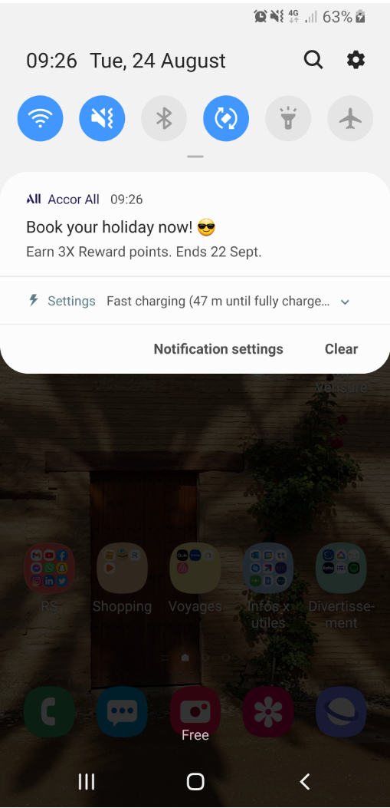
 | Approved by Joanna & Ellis
LANGUAGE | TITLE | NEW LIMIT: 26 car. |  | iOS | Android
GB (Mandatory) | ☀️ SUMMER SALE now on | 21
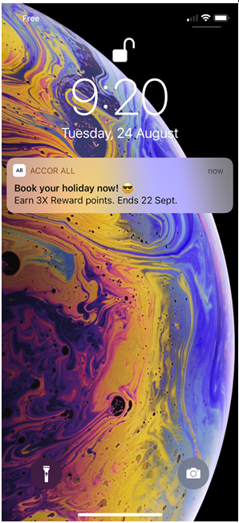
FR | ☀️ L'offre d'été est là | 23
DE | ☀️ Aktuell: SOMMERANGEBOT | 25
IT | ☀️ Al via l'OFFERTA ESTIVA | 26
ES | ☀️ ¡OFERTA DE VERANO! | 21
NL | ☀️ De ZOMERSALE is begonnen | 27
PT | ☀️ OFERTA DE VERÃO: ON! | 23
PL | ☀️ LETNIA PROMOCJA ruszyła! | 27

TITLE
MESSAGE
LANGUAGE | MESSAGE | NEW LIMIT: between 50 car.& 150 car. (136 car. Would be best) (main information in the first words)
GB (Mandatory) | Early access for members: save 25% off min. 3 night stays in hotels across Europe and North Africa. Book now! | 109
FR | Accès anticipé pour les membres : économisez 25 % sur les séjours de 3 nuits ou plus en Europe et Afrique du Nord. Réservez maintenant ! | 136
DE | Vorabzugang für Mitglieder! Sparen Sie 25% ab 3 Nächten in ganz Europa und Nordafrika. Jetzt buchen! | 100
IT | Offerta con accesso in anteprima per i soci: sconto del 25% sui soggiorni in hotel di almeno 3 notti in tutta Europa e in Nord Africa. Prenota ora! | 147
ES | Acceso anticipado para socios: ahorra un 25 % en estancias de 3 noches o más en hoteles de Europa y África del Norte. ¡Reserva ya! | 130
NL | Exclusieve toegang voor leden! Bespaar 25% op een verblijf van min. 3 nachten in hotels in heel Europa en Noord-Afrika. Boek nu. | 128
PT | Acesso antecipado para membros: 25% de desconto em estadias de 3 ou mais noites em hotéis na Europa e no Norte de África. Reserve já! | 133
PL | Wczesny dostęp dla uczestników ALL: zaoszczędź 25% na pobytach z min. 3 noclegami w Europie i Afryce Północnej. Zarezerwuj teraz! | 129

LANGUAGE | WEB URL (for information) | DEEPLINK (Please select a type of link) | WISE OFFER ID (for example : 014030) | LABEL (contributed by Central team) | FINAL LINK WITH TRACKING (Central Team)
FR |  | accor://search/offer?offer_id= |  | Contributed by Central team | accor://search/offer?offer_id=&sourceid=ml-Contributed by Central team-b1b1
GB - GB-GB GEOLOC |  | accor://search/offer?offer_id= |  | Contributed by Central team | accor://search/offer?offer_id=&sourceid=ml-Contributed by Central team-b1b1
GB - DF-GB GEOLOC |  | accor://search/offer?offer_id= |  | Contributed by Central team | accor://search/offer?offer_id=&sourceid=ml-Contributed by Central team-b1b1
DE |  | accor://search/offer?offer_id= |  | Contributed by Central team | accor://search/offer?offer_id=&sourceid=ml-Contributed by Central team-b1b1
IT |  | Select link |  | Contributed by Central team | Final link - Contributed by Central team
ES |  | Select link |  | Contributed by Central team | Final link - Contributed by Central team
NL |  | accor://search/offer?offer_id= |  | Contributed by Central team | accor://search/offer?offer_id=&sourceid=ml-Contributed by Central team-b1b1
PT |  | Select link |  | Contributed by Central team | Final link - Contributed by Central team
PT-BR |  | Select link |  | Contributed by Central team | Final link - Contributed by Central team
ZH |  | Select link |  | Contributed by Central team | Final link - Contributed by Central team
JA |  | Select link |  | Contributed by Central team | Final link - Contributed by Central team
RU |  | accor://search/offer?offer_id= |  | Contributed by Central team | accor://search/offer?offer_id=&sourceid=ml-Contributed by Central team-b1b1
ID |  | Select link |  | Contributed by Central team | Final link - Contributed by Central team
KO |  | Select link |  | Contributed by Central team | Final link - Contributed by Central team
PL |  | accor://search/offer?offer_id= |  | Contributed by Central team | accor://search/offer?offer_id=&sourceid=ml-Contributed by Central team-b1b1
SV |  | Select link |  | Contributed by Central team | Final link - Contributed by Central team
AR | To complete | Select link |  | Contributed by Central team | Final link - Contributed by Central team
TH | To complete | Select link |  | Contributed by Central team | Final link - Contributed by Central team
TR | To complete | Select link |  | Contributed by Central team | Final link - Contributed by Central team
VI | To complete | Select link |  | Contributed by Central team | Final link - Contributed by Central team

